Sheet1
Ref | Image | Description | Pack | Qty of units | RRP | Line RRP |  | Barcodes
HG.X32/LG/F4 | 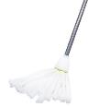 | Hourglass Microfibre Strip Mop, Lime Green, Plastic Screw Thread Bracket, with Metal Handle | 20 | 3000 | £6.99 | £20,970.00 |  | 5014555012055
SH.HG.MOP06/F4 |  | Hourglass Sponge Mop & Lever, Lime Green, with Metal Handle | 12 | 1000 | £5.99 | £5,990.00 |  | Rest of Barcodes Below
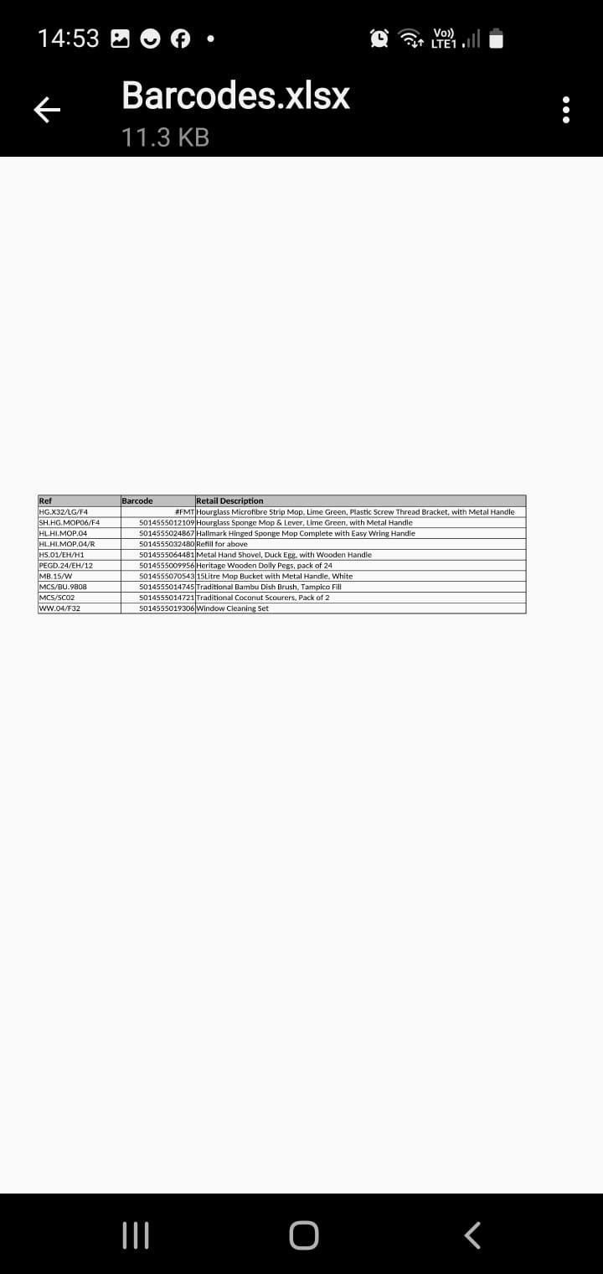
HL.HI.MOP.04 |  | Hallmark Hinged Sponge Mop Complete with Easy Wring Handle | 12 | 1500 | £25.65 | £38,475.00 | https://www.amazon.co.uk/Bentley-Chrome-Sponge-Squeegee-Mop/dp/B077JZD93H
 |  | Refill for above | 50 | 2958 | £3.99 | £11,802.42
HS.01/EH/H1 |  | Metal Hand Shovel, Duck Egg, with Wooden Handle | 10 | 541 | £5.99 | £3,240.59
PEGD.24/EH/12 | 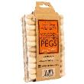 | Heritage Wooden Dolly Pegs, pack of 24 | 12 | 4940 | £4.99 | £24,650.60
MB.15/W | 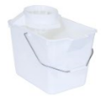 | 15Litre Mop Bucket with Metal Handle, White | 10 | 300 | £4.99 | £1,497.00
MCS/BU.9808 | 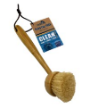 | Traditional Bamboo Dish Brush, Tampico Fill | 6 | 3054 | £3.99 | £12,185.46
MCS/SC02 | 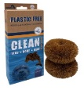 | Traditional Coconut Scourers, Pack of 2 | 8 | 1708 | £2.99 | £5,106.92
WW.04/F32 |  | Window Cleaning Set | 12 | 856 | £11.99 | £10,263.44
 |  | Total |  | 19857 |  | £134,181.43

